Task 3 Responsive Testing of lp
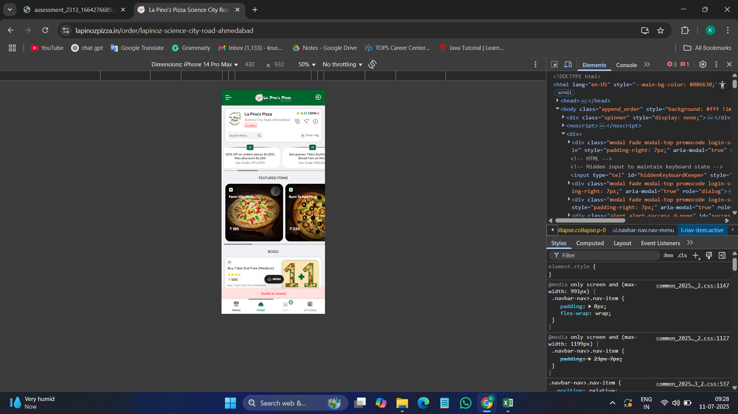
 | Responsive testing for Application

